Sheet2
Bug Type | Priority | Sevirity | Actual Result | Exp. Result | Screen shoot | Steps | Title | Bug NO.
error handling | low | minor | no msg appear under the text box | please fill this field | 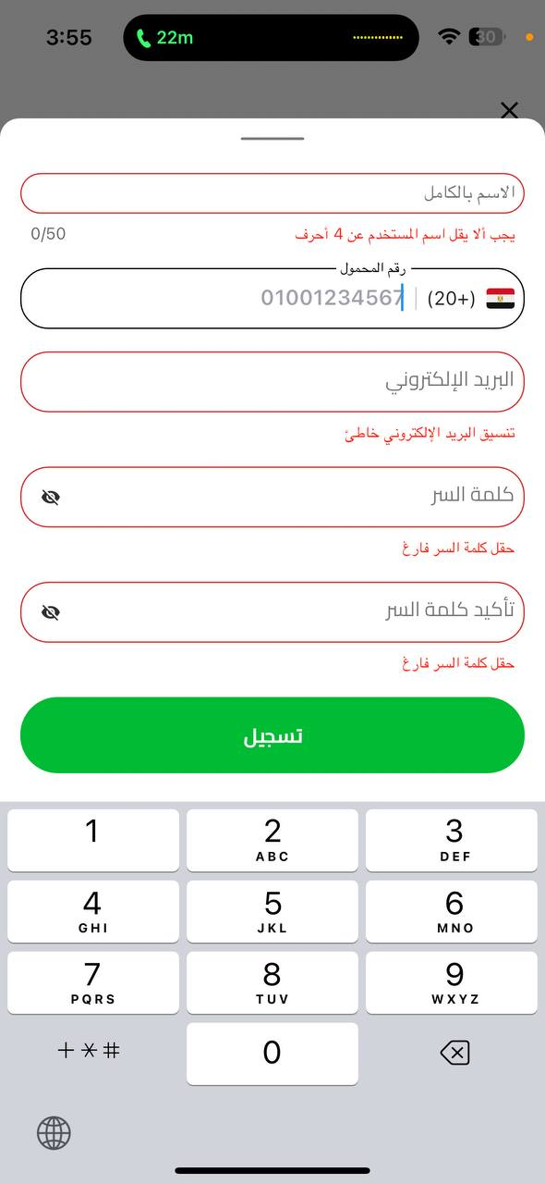 | 1- Open gobus app 2- choose destination from "cairo - Giza" to "Sharm El-Sheikh " 3- choose the date "29/10/2024" 4- click on " show trips" 5- choose the trip 6- click on "register new acc. With email " 7- leave all fields empty 8-click on "register" | at reg. screen, no error msg when the field PH is empty and click on register, the athor fields have error msg | Bug #1
usability / functional | low | minor | please enter valid number | complete the registration process | 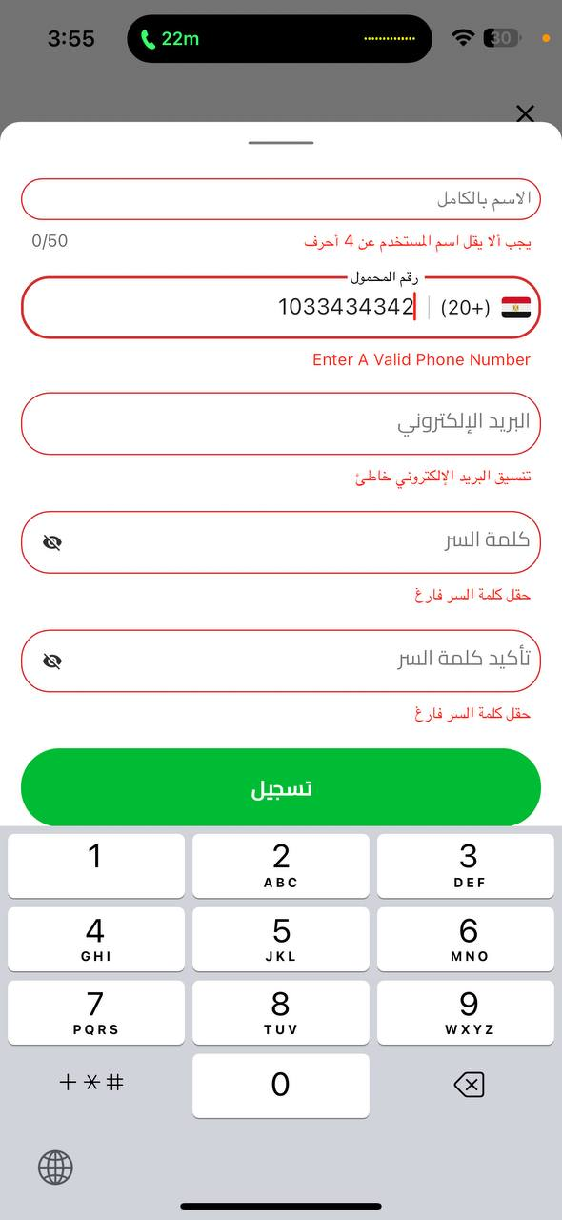 | 1- Open gobus app 2- choose destination from "cairo - Giza" to "Sharm El-Sheikh " 3- choose the date "29/10/2024" 4- click on " show trips" 5- choose the trip 6- click on "register new acc. With email " 7-wrie name "rahma" 8- write phone "1033434342" 9- Enter email"rahma@gmail.com" 10- enter password "rahma" 11- enter the same password "rahma" 12-click on "register" | at reg. screen, the code of Egypt starts (+20) , and it not accpect your phone num. until you write another zero | Bug #2
validation |  | validation | valid name, complete registeration | Invalid name |  | 1- Open gobus app 2- choose destination from "cairo - Giza" to "Sharm El-Sheikh " 3- choose the date "29/10/2024" 4- click on " show trips" 5- choose the trip 6- click on "register new acc. With email " 7-wrie name "r " 8- write phone "01033434342" 9- Enter email"rahma@gmail.com" 10- enter password "rahma" 11- enter the same password "rahma" 12-click on "register" | at reg. screen, Enter one char and 3 spaces | bug #3
show stopper | low | minor | error msg "email is exsited before" | 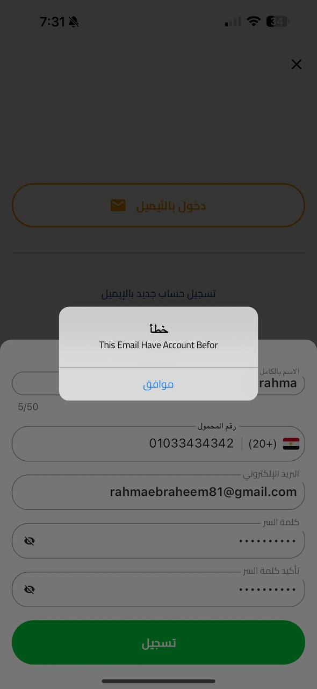 registeration is done |  | 1- Open gobus app 2- go to "my account" 3- click on " register new acc. With email" 4- Enter name " rahma" 5- Enter phone number "01033434342" 6- Enter email "rahmaebraheem81@gmail.com" 7- Enter valid pass."rahma 12345" 8- Enter the same pass."rahma 12345" 9- click on reg. button | at reg. screen,page save data in DB and registration cycle isn't completed | bug #4
validation | high | critical | the cycle completed | please enter valid year | 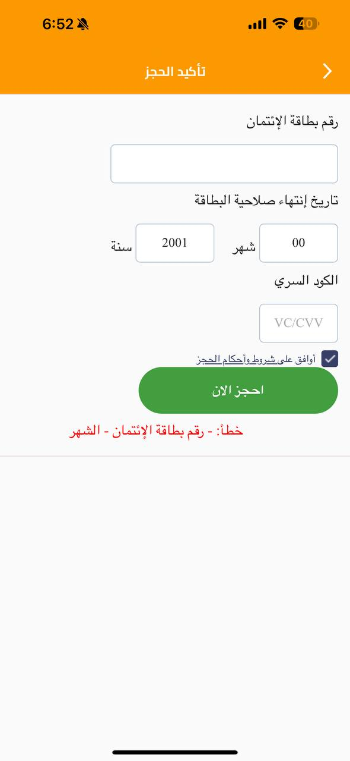 | 1- Open gobus app 2- choose destination, from "cairo" to "sharm El sheikh" 3- click on " show trips" 4- choose the trip 5- choose the chair 6- click "register now" 7- Entet card number 8- Enter valid month 9- Enter Expired year 10- Enter the PIN 11- click on the check box 12- click on register now | at reservation confirmation screen, the year field accept expired dates | bug #5
security | high | critcal | error msg should appear "enter cvv" | please enter CVV | 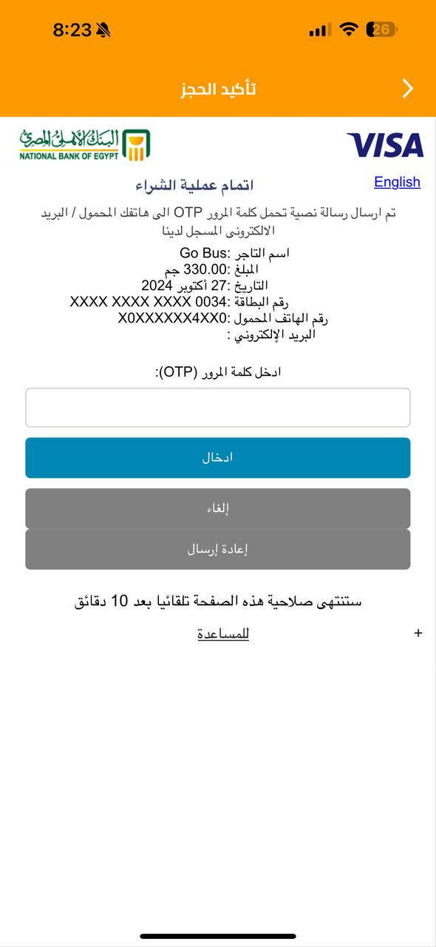 | 1- Open gobus app 2- choose destination, from "cairo" to "sharm El sheikh" 3- click on " show trips" 4- choose the trip 5- choose the chair 6- click "register now" 7- Entet card number 8- Enter valid month 9- Enter valid year 10- click on the check box 11- click on register now | at reservation confirmation screen, enter all data and don't enter CVV | bug #6
validation | medium | major | no error msg | 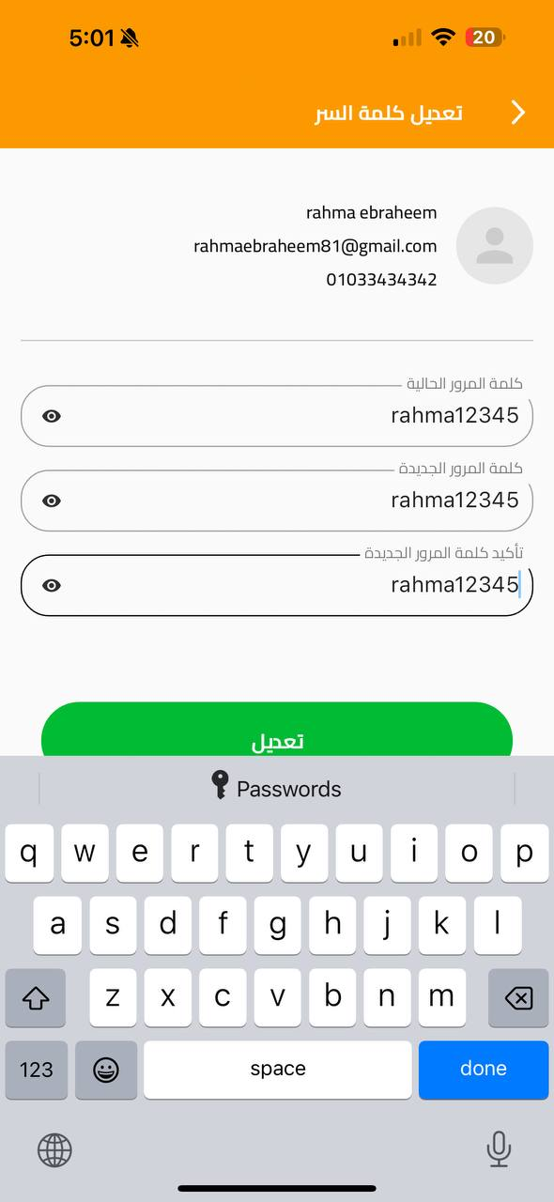 please enter diff. password |  | 1- Open gobus app 2- go to "my account" 3- click on " my account" 4- click on "Edit password" 5- Enter the old one "rahma12345" 6- Enter the new one "rahma12345" 7- Enter the same password again "rahma12345" 8- click on "Edit" | at my account screen, when changing the password , it accepts that the new password is same to the old password | bug #7
UI\UX | low | minor | wrong mobile number | 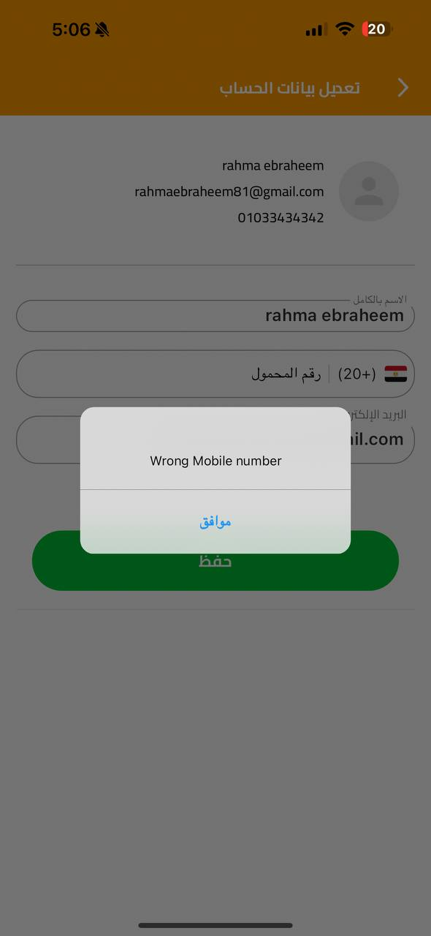 fill the field,please enter phone number |  | 1- Open gobus app 2- go to "my account" 3- click on " my account" 4- click on "Edit acc. Info." 5- delete the phone number 6- click on "Save" | at my account screen,when editing the information and deleting the phone number and save, the error msg appears is not clear | bug #8
performance | low | minor | the msg disapear after several clicks on "ok" | the msg disapear after one click on "ok" | https://drive.google.com/file/d/1z5674W9X5tVN7NETdXSxIOfu32UGNu4s/view?usp=sharing | 1- Open gobus app 2- open my account screen 3- click on my account 4- click on edit my aacount 5- delete phone number 6- click on "save" | at my account screen, when editing the information and deleting the phone number and save , the error msg appered It does not disappear until you press OK several times. | bug #9
validation | low | major | no error msg | please enter valid name | 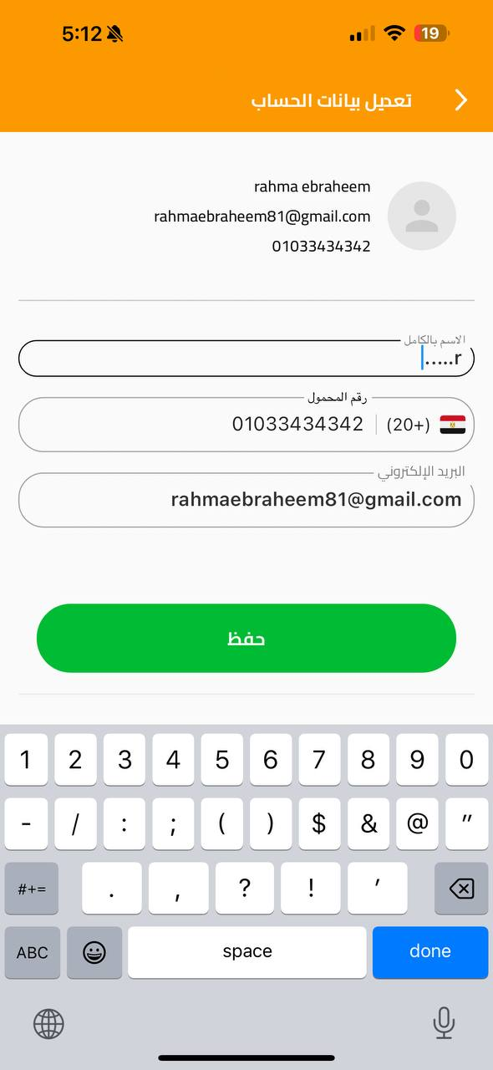 | 1- Open gobus app 2- open my account screen 3- click on my account 4- click on edit my aacount 5- change the name "r….." 6- click on "save" | at my account screen, when editing the information and editing the name , it need only one char to be written then any special chars or numbers to accept the name | bug #10
validation | low | major | error msg"password must be at least 6 char, 1 uppercase, 1 lowercase , 1 digit, 1 special char " | accepted password | 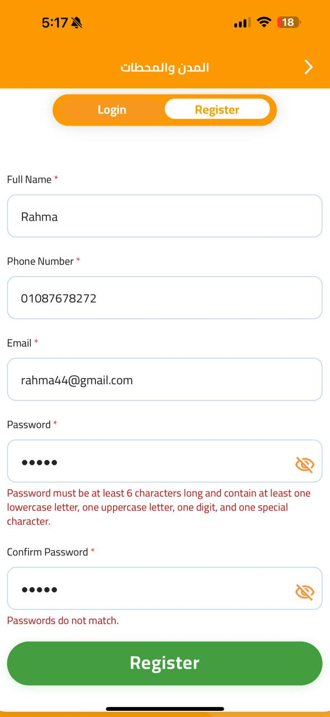 | 1- Open gobus app 2- open my account screen 3- choose "المدن والمحطات" 4- click on "my account" 5- click on register 6- Enter name "rahma" 7-Enter phone number "01033434342" 6- Enter email "rahmaebraheem81@gmail.com" 8- Enter password "rahma" 9- Enter the same password "rahma" 10- register | at "المدن والمحطات" Screen, choosing "my acc." , when you click on register and enter the password , there is constraints on the password , while the previous method for registration don't have constraints on password | bug #11
validation | low | major | error msg"name must contain from 4-50 char and contain only letters" | 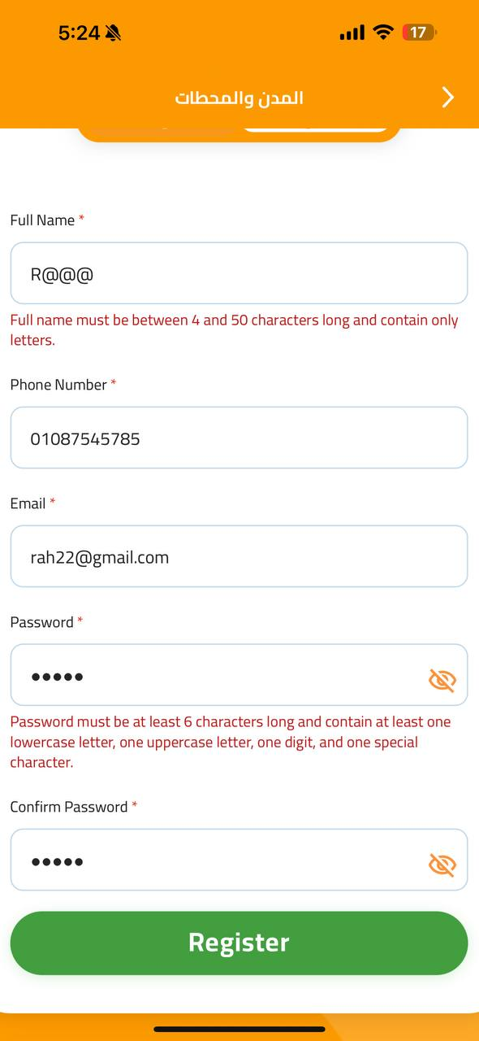 accepted name |  | 1- Open gobus app 2- open my account screen 3- choose "المدن والمحطات" 4- click on "my account" 5- click on register 6- Enter name "r@@@" 7-Enter phone number "01033434342" 6- Enter email "rahmaebraheem81@gmail.com" 8- Enter password "Rahma123%" 9- Enter the same password "Rahma123%" 10- register | at "المدن والمحطات" Screen, choosing "my acc." , when you click on register and name , there is constraints on the name , while the previous method for registration don't have constraints on name | bug #12
validation | low | minor | accept the error and return to the same page again to fill it for the next msg | in valid name | https://drive.google.com/file/d/1KE29UMymwQqw2_iimVfVq-P2MMLFkB48/view?usp=drivesdk | 1- Open gobus app 2- open my account screen 3- choose "اخبار جو باص " home 4- click on "Contact us" 5- enter "r." at name field 6- Enter email "r@gmail.com" 7- phone number"01065975654" 8- Enter ""654346" at booking id 9- enter msg title"ghhjh" 10- enter qestion "why" 11- click on send msg | at "اخبار جو باص" home screen ,when clicking on "contact us" , enter any in valid name and the msg will be send | bug #13
validation | low | minor | no error msg | please enter msg | 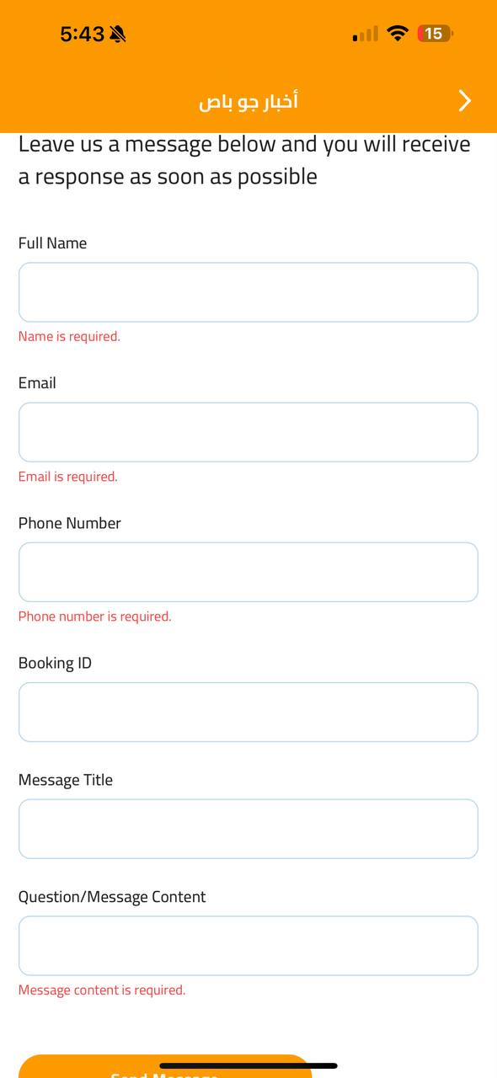 | 1- Open gobus app 2- open my account screen 3- choose "اخبار جو باص " home 4- click on "Contact us" 5- don't enter any thing at name field 6- don't enter email 7- don't enter phone number 8- don't Enter anything at booking id 9- don't enter msg title 10- don't enter qestion 11- click on "send msg" | at "اخبار جو باص" home screen ,when clicking on "contact us" , click on send msg without filling any field , there is no error for the msg title | bug #14
validation | low | minor | no error msg | please enter booking ID |  | 1- Open gobus app 2- open my account screen 3- choose "اخبار جو باص " home 4- click on "Contact us" 5- don't enter any thing at name field 6- don't enter email 7- don't enter phone number 8- don't Enter anything at booking id 9- don't enter msg title 10- don't enter qestion 11- click on "send msg" | at "اخبار جو باص" home screen ,when clicking on "contact us" , click on send msg without filling any field , there is no error for the booking ID | bug #15
validation | low | major | accept the error and return to the same page again to fill it for the next msg | invalid phone number | https://drive.google.com/file/d/1KE29UMymwQqw2_iimVfVq-P2MMLFkB48/view?usp=drivesdk | 1- Open gobus app 2- open my account screen 3- choose "اخبار جو باص " home 4- click on "Contact us" 5- enter "r." at name field 6- Enter email "r@gmail.com" 7- phone number"01065975654" 8- Enter ""654346" at booking id 9- enter msg title"ghhjh" 10- enter qestion "why" 11- click on send msg | at "اخبار جو باص" home screen ,when clicking on "contact us" , enter any invalid phone starts with "0"and with more than 11 numbers and the msg will be send | bug #16
functional | low | minor | the page page is opened which is not related to the screens | 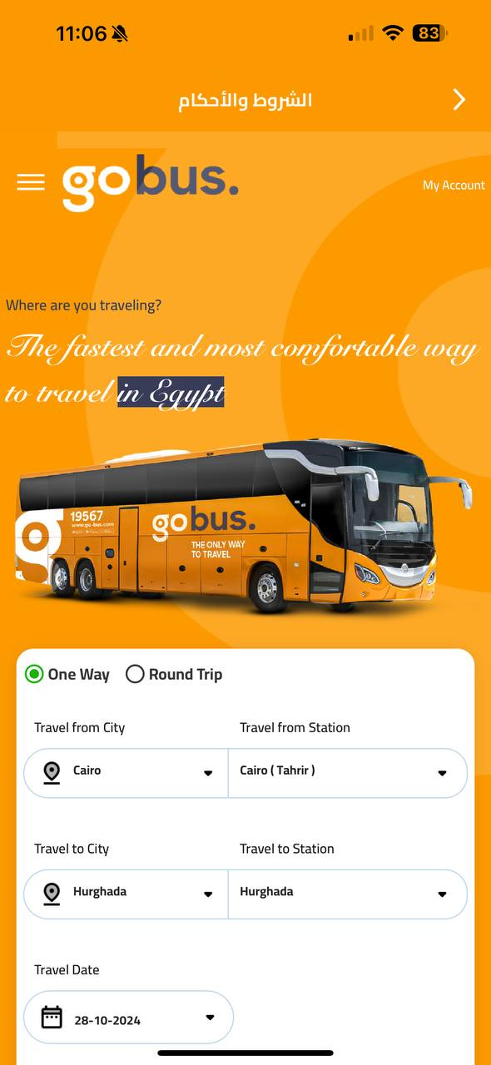 two diff. pages related to the screen name |  | 1- Open gobus app 2- open my account screen 3- choose " سياسة الخصوصية " 4- choose " الشروط والاحكام " | at "سياسة الخصوصية "" الشروط والاحكام " screen, the page page is opened which is not related to the screens | bug #17
UI\UX | low | minor | The text under "Online Booking" and "Booking Conditions" is not aligned with the headers | 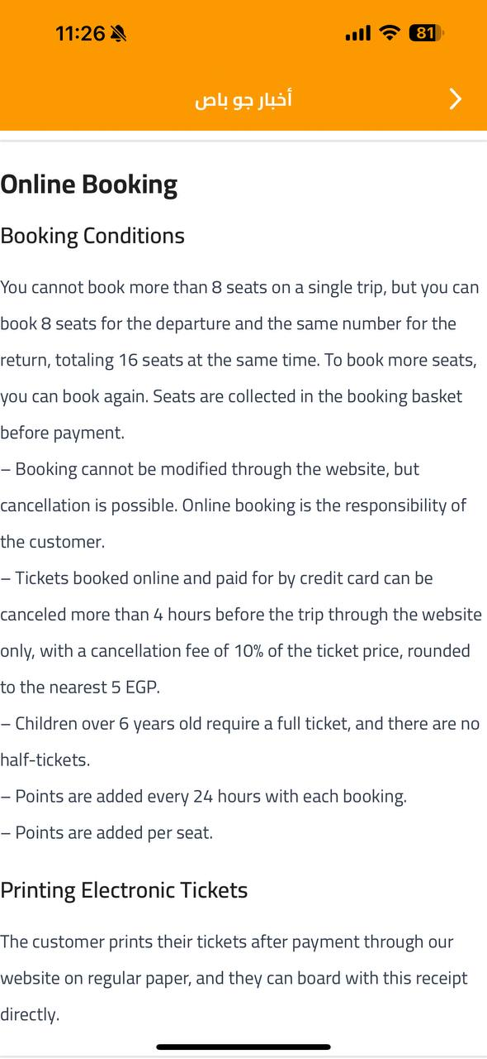 The text under "Online Booking" and "Booking Conditions" is aligned with the headers |  | 1- Open gobus app 2- open my account screen 3- choose " اخبار جو باص " 4- go to "terms and conditions section" | at "اخبار جو باص", in terms and conditions section , page alignment in not correct | bug #18
functional | low | minor | no thing happens | redirect me to make a call | https://drive.google.com/file/d/1m7YLNxlYwoCwz-aOxFaD9KvzWF2UoM7T/view?usp=drivesdk | 1- Open gobus app 2- open my account screen 3- choose " اخبار جو باص " 4- go to "contact us" 5- click on "19567" | at " اخبار جو باص", in contact us section , email link isn't clickable | bug #19
functional | low | minor | no thing happens | open email app to send email | https://drive.google.com/file/d/1m7YLNxlYwoCwz-aOxFaD9KvzWF2UoM7T/view?usp=drivesdk | 1- Open gobus app 2- open my account screen 3- choose " اخبار جو باص " 4- go to "contact us" 5- click on "19567" | at " اخبار جو باص", in contact us section , complaints email link isn't clickable | bug #20
functional | low | minor | no thing happens | open email app to send email | https://drive.google.com/file/d/1m7YLNxlYwoCwz-aOxFaD9KvzWF2UoM7T/view?usp=drivesdk | 1- Open gobus app 2- open my account screen 3- choose " اخبار جو باص " 4- go to "contact us" 5- click on "19567" | at " اخبار جو باص", in contact us section ,phone number link isn't clickable | bug #21

